Feuil1
DIFFRACTION LIMIT CALCULATION
Every optical system has an optical resolution limit given by the law of physics. This limitation is calculated from the f number and the operating wavelength of the optical system. This limitation is named Diffraction limit and keeps from resolving any smaller pattern. This is even the case for optimized collimators using Off-axis Parabolic Mirrors such as HGH's IRCOL collimators.

Airy diameter (diffraction limit) at the focus of the optical system
$$ϕ_{diff}=2.44×λ×fnumber$$
 | F diff | Diffraction limit diameter |  |  | µm
 | l | Wavelength |  |  | µm
 | f number | Ratio between focal length and aperture

Maximum resolvable frequency

$$Maximum resolvable limit=\frac{D}{λ}$$
 | Maximum frequency |  |  |  | Cy/mrad
 | D | Diameter of aperture of optical system |  |  | mm
 | l | Wavelength |  |  | µm

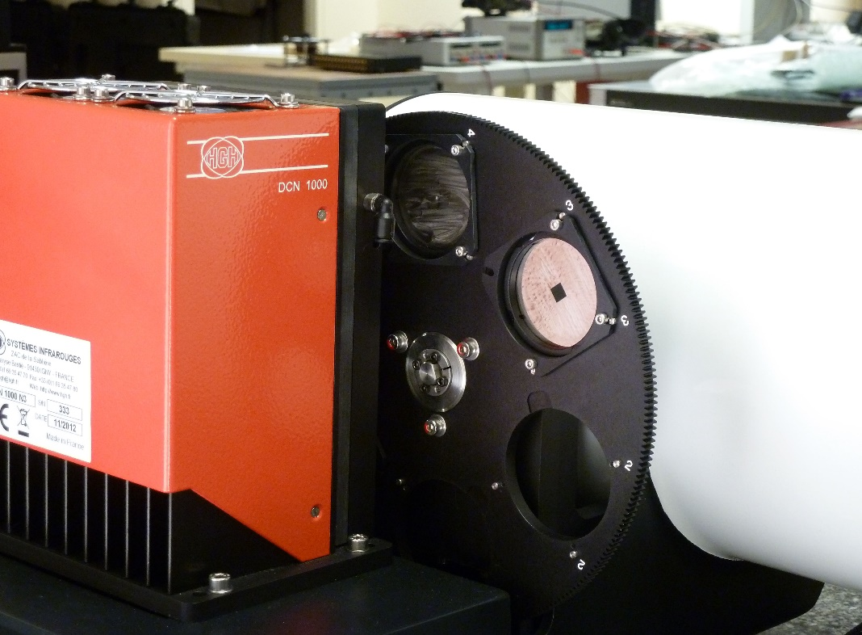

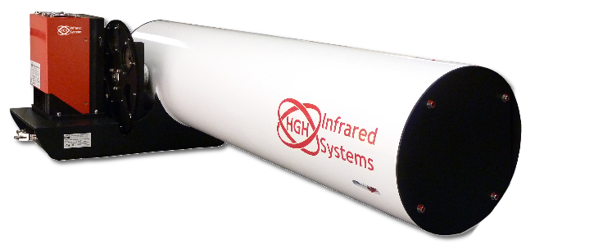
Collimator model |  |  | f number | Focal length | Aperture | Focal length | Spectral range |  | Unit
 |  |  |  | mm |  | mm
IRCOL150/750 |  |  | 5.2 | 750 | 144 | 750 | Visible | 0.5 | mm
IRCOL150/1000 |  |  | 6.9 | 1000 | 145 | 1000 | SWIR | 1.5 | inch
IRCOL300/1500 |  |  | 5.3 | 1500 | 283 | 1500 | MWIR | 4
IRCOL400/2500 |  |  | 6.6 | 2500 | 379 | 2500 | LWIR | 10
IRCOL250/1500S |  |  | 5.7 | 1524 | 267 | 1524
IRCOL600/6000 |  |  | 10 | 6000 | 600 | 6000
COPI |  |  | 10.5 | 1524 | 145 | 1524

CUSTOM |  |  | 5 | 100 | 20 | 100
A higher frequency pattern cannot be resolved through the collimator at the selected wavelength range.

Collimator model |  |  | IRCOL150/1000
Spectral range |  |  | LWIR
Airy diameter |  |  | 168.4 | µm
Maximum resolvable frequency |  |  | 14.5 | cy/mrad

